Sheet1
Important Links

Description | Link
Local Commerce setup doc for 2105 | https://help.sap.com/viewer/a74589c3a81a4a95bf51d87258c0ab15/2105/en-US/8bf5a611866910149242e1a3a41eb9af.html
Promotion Types | https://help.sap.com/viewer/9d346683b0084da2938be8a285c0c27a/1905/en-US/792bbddc1a7c479eaf9e15d2699b6285.html
MC integration | https://www.sap.com/cxworks/article/2589633873/integrating_sap_marketing_cloud_and_sap_commerce_cloud_using_sap_integration_suite
Data Hub installation | https://blogs.sap.com/2017/03/14/hybris-sap-integrations-part-1/
Datahub installation | https://help.sap.com/viewer/c65fa30c12ec4c2dbe04becf73f0943d/2105/en-US/3009645a9b704feba5f2e52053b0649a.html
 | https://help.sap.com/viewer/c65fa30c12ec4c2dbe04becf73f0943d/2105/en-US/8ba79fcc86691014a83e8530484d3892.html
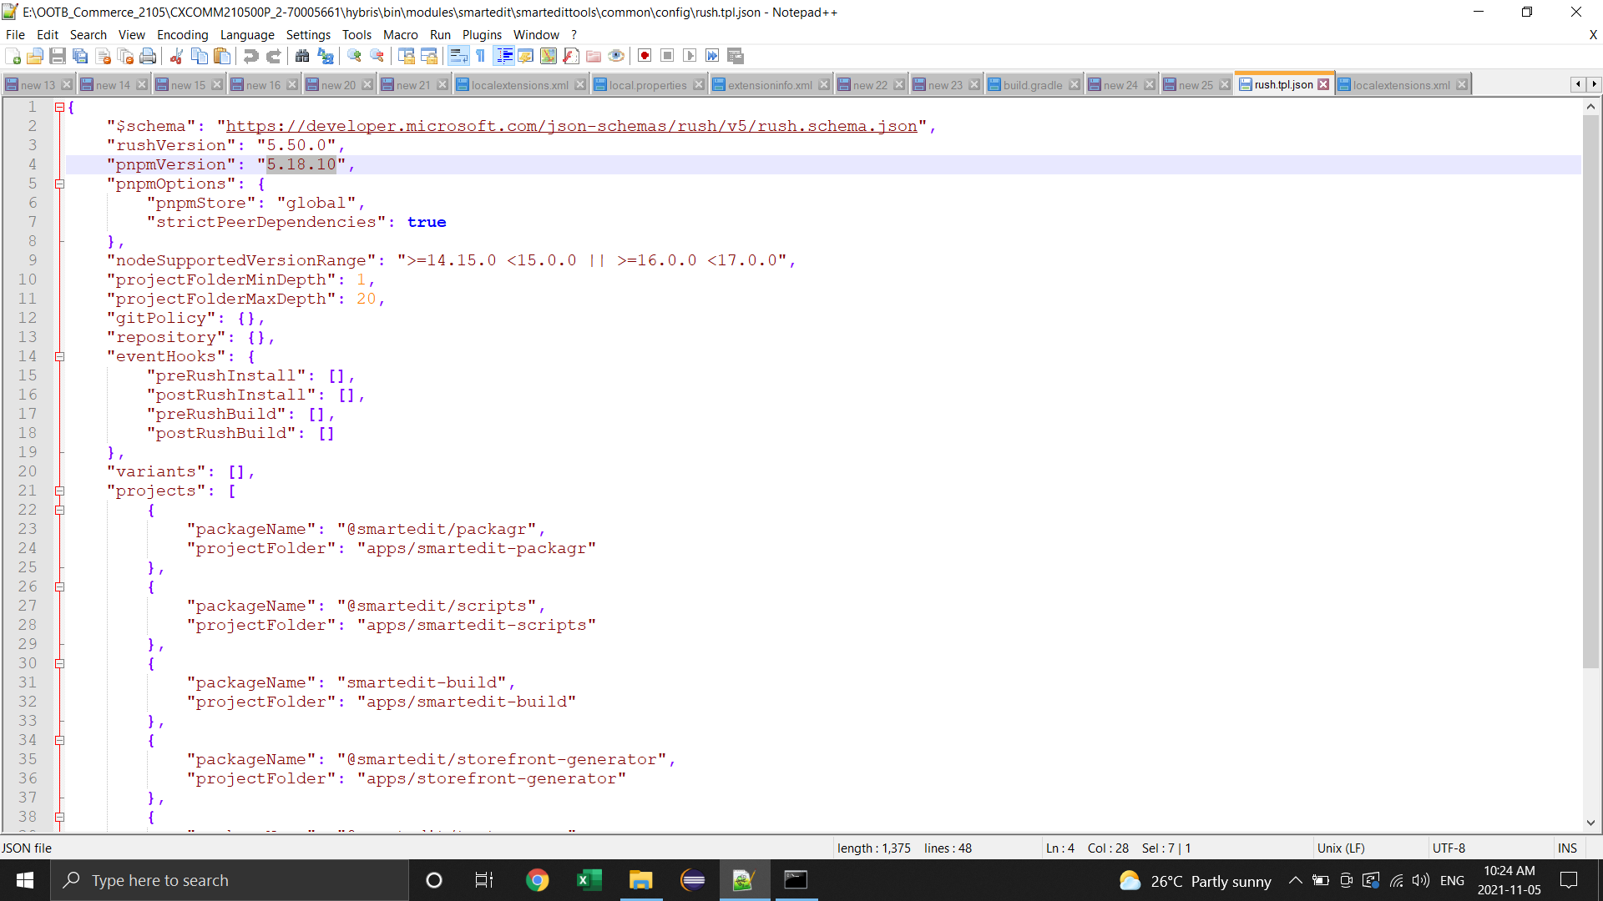
 | https://blogs.sap.com/2017/03/22/sap-hybris-data-hub-installation-part-3/

Other
Decrease server start time | https://hybrismart.com/2016/12/27/speed-up-server-start-time/

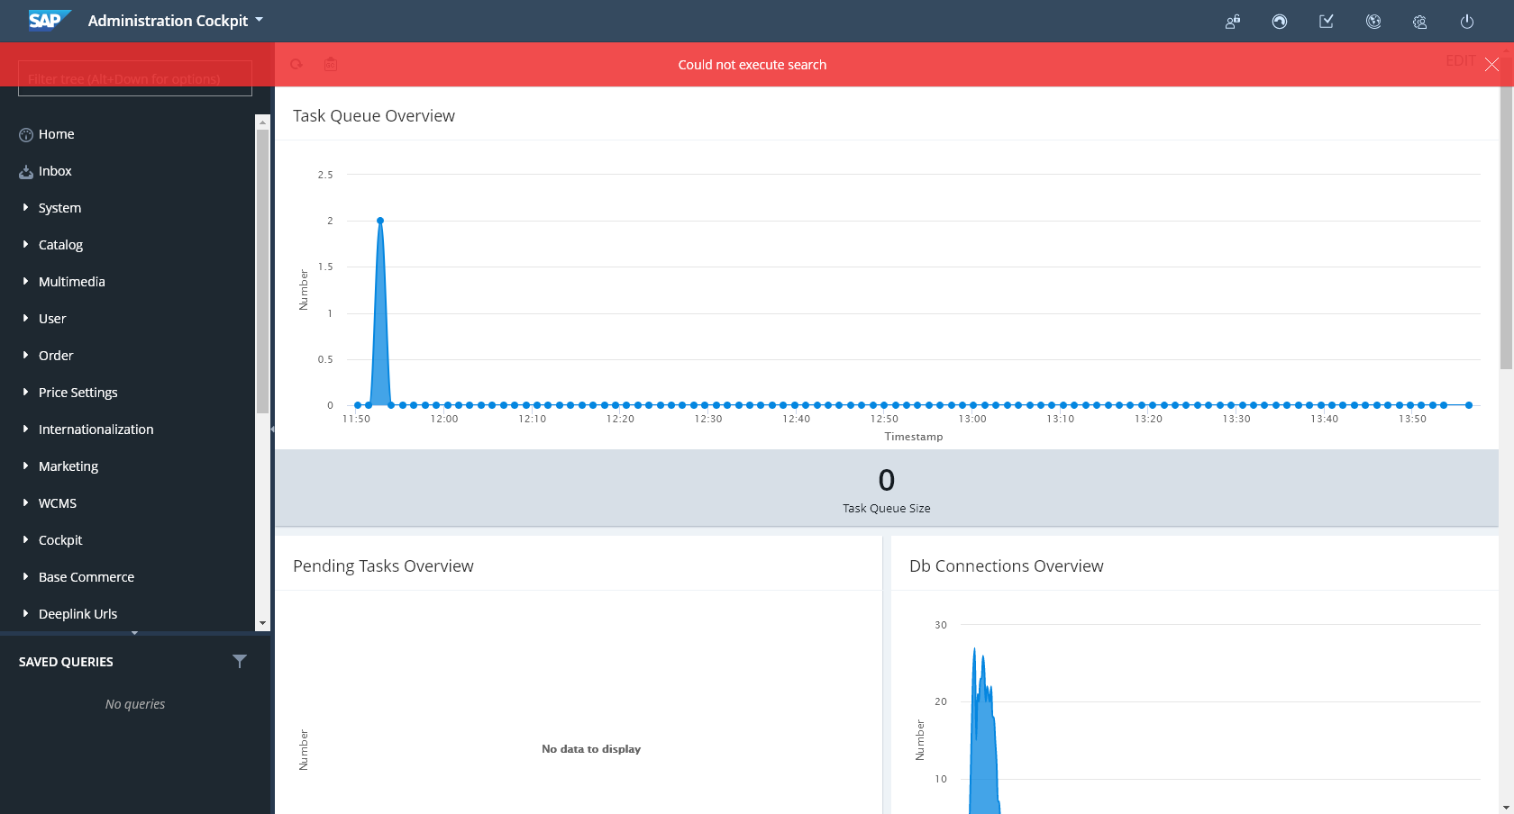
 | I've installed the 2105 but upon logging in on backoffice I got an error message, how to resolve this, and why smartedit is not included in the 2105? - Joey

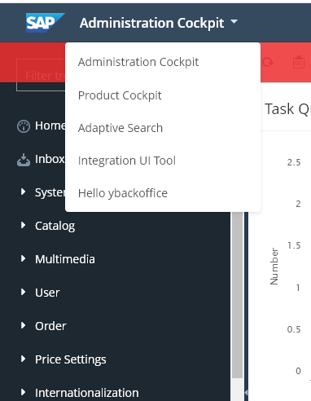

Hybris integratios | https://help.sap.com/viewer/50c996852b32456c96d3161a95544cdb/1905/en-US/7960ff89f87449939efcbcbd6d7879ef.html

